Product
PT. NUTRIFOOD INDONESIA |  |  | KODE FORM : F.Q.201


PENGEMBANGAN KONSEP AWAL PRODUK BARU
( PKP )
Tropicana Slim
Bumbu Rendang Less Fat (Endang)
Author |  | : | Annice
Last Updated On |  | : | 2020-08-05
 | Revision No | : | 0
Background
Idea | Tropicana Slim Bumbu Rendang Less Fat
Target market | MF 25+ Upper 1,2
Uniqueness of idea | weak - moderate - strong
Estimated potential market | niche - in between - mass
Reason(s) | Due to Covid, cooking & baking are rising. People tend to cook at home and experimenting new recipes. Rendang is one of the most popular & tasty menu that have "non healthy food" perception - high sodium, high fat, high cholesterol
Market Analysis
Launch Deadline | 2021
Aisle Placement | Aisle Bumbu Instan
Sales Forecast | Rp150,000,000

NF Selling Price | Rp7,000
Consumer Price Target | Rp8,477

Main Competitor | Munik, Indofood, Sasa, Kokita, Bamboe, Mamasuka
Competitive Analysis | TBN Munik
Product Features
Product Form | Bumbu Rendang Paste (Munik bentuk paste bumbu uleg)
Product Packaging | Sachet 50 gr
Kategori Pangan (BPOM)
Prefered Flavour | Rendang
Product Benefits | Less Fat
 | Less Sodium
 | Sugar Free
 | Lengkap dengan Santan Powder

Mandatory Ingredients
Related Picture | tempting rendang

ATTENTION!
 | compulsory; filled by QBX (brand function) Managers
 | should only be filled with great certainty
 | should only be filled after discussion with QPA
Service Level Agreements | Lead Time QBX (brand function) |  | 5 workdays
 | Lead Time QPA (product development function) |  | [1 (benefits) + 2 (COGS)] = 2 workdays
 | Lead Time Revision |  | 2 workdays
Processes | After being filled. HOD approval request. Then, forward to RD as low priority project. Will be further prioritized in PV Cross Funct Mtg. Meanwhile, RD can prepare SLA projection to propose into PV's SLA for the project based on capacity and feasibility.

 |  |  | Revisi / Berlaku : 04 / 24.02.10
 |  |  | Lama Simpan : Selamanya

Market
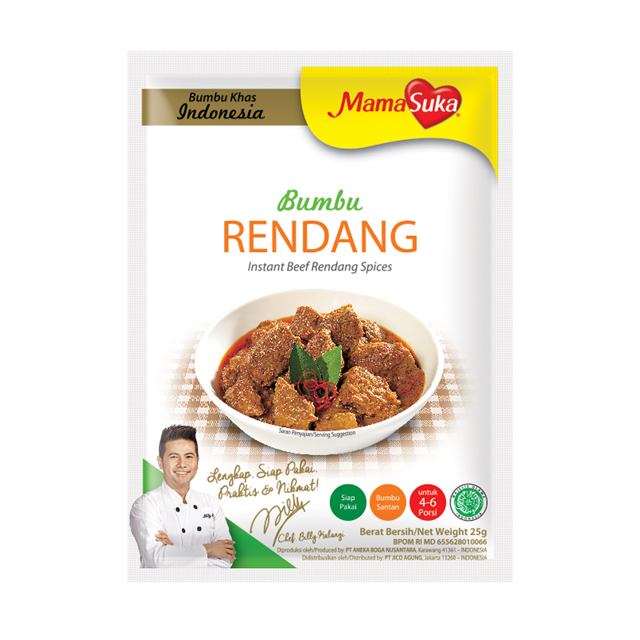
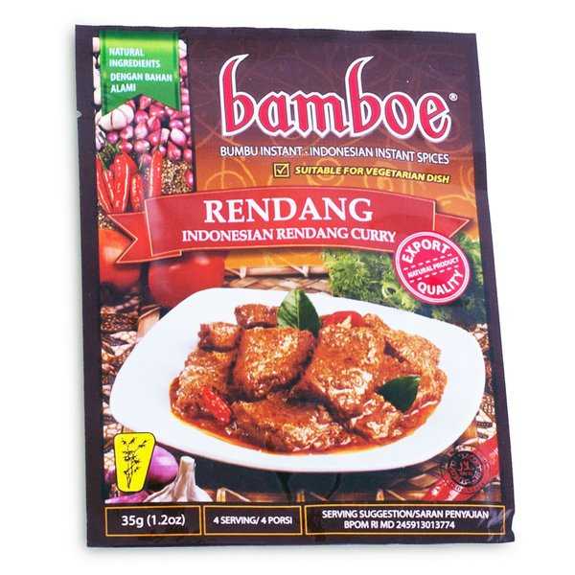
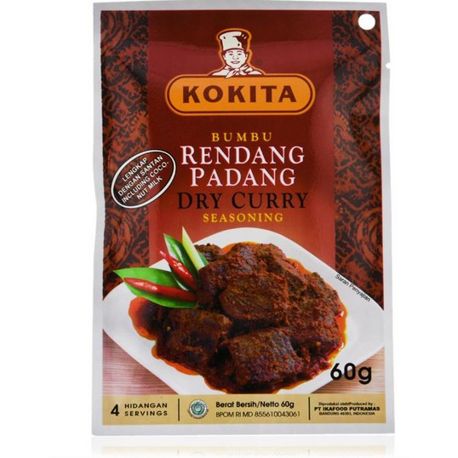
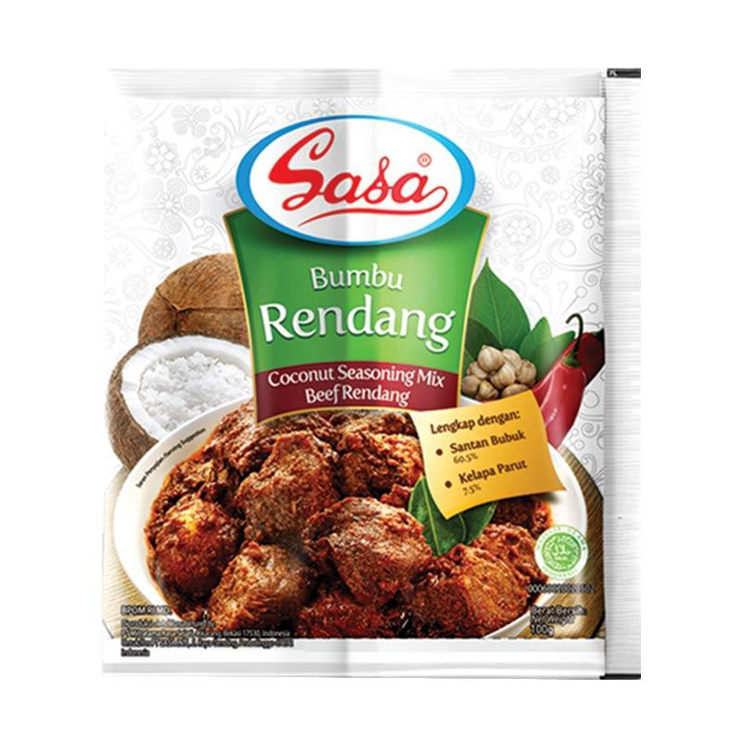
Bumbu Rendang
Merk | Harga | gram | Harga/gram | Harga per 50 gr
Indofood Rendang 50 g | Rp5,300 | 50 | 106.0 | Rp5,300
Munik Bumbu Rendang 115 g | Rp36,500 | 115 | 317.4 | Rp15,870
Mamasuka Bumbu Rendang 25 g | Rp3,383 | 25 | 135.3 | Rp6,767
Kokita Bumbu Rendang 60 g | Rp7,390 | 60 | 123.2 | Rp6,158
Bamboe Bumbu Rendang 35 gr | Rp6,000 | 35 | 171.4 | Rp8,571
Sasa Bumbu Rendang 36 gr | Rp5,900 | 36 | 163.9 | Rp8,194
 |  |  | HET Avg | Rp8,477
 |  |  | Price List | Rp6,781
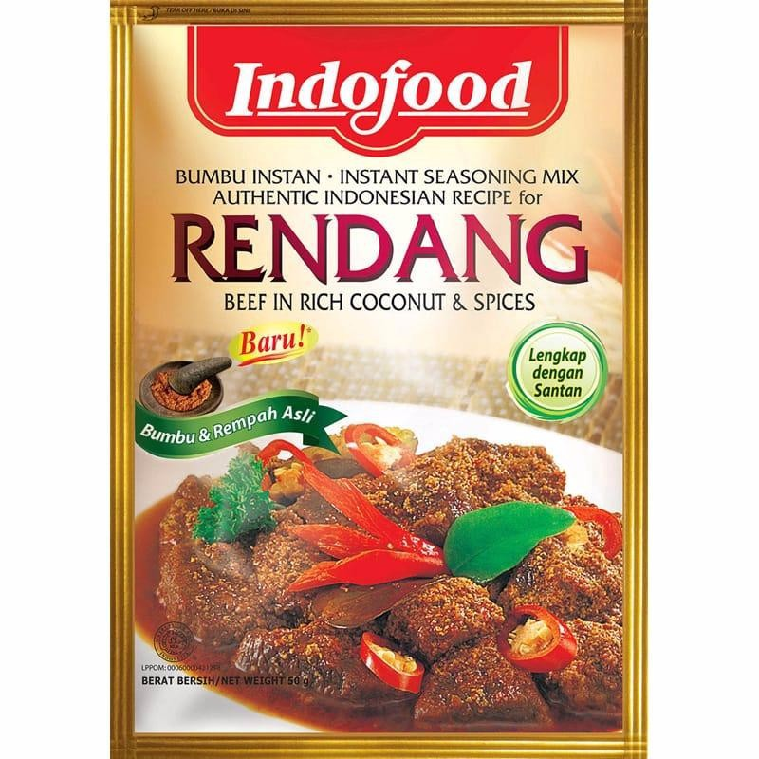
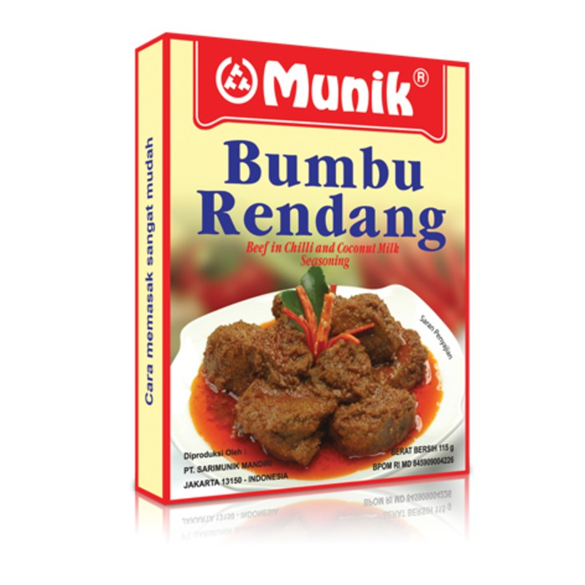
 |  |  | Bulatkan | Rp7,000

Market Potency
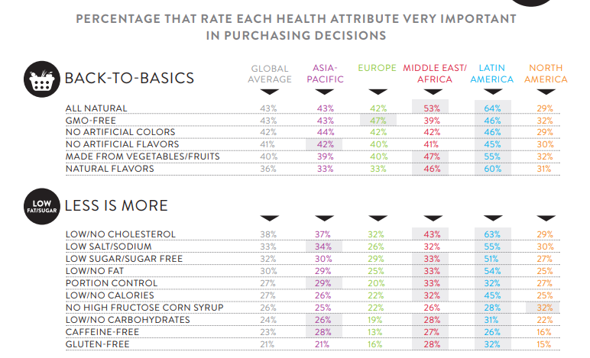
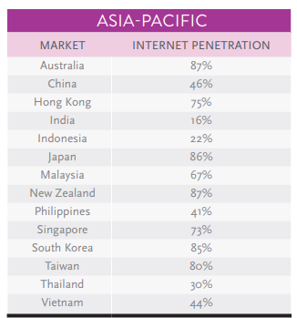
Jumlah penduduk Indonesia | 267,000,000
SES SU, U12 | 30% | Indonesian population
F, 25-50 | 38% | Indonesian population
Suka Memasak | 87%
Memasak menggunakan bumbu instan | 70% | *based on survey Jakpat Jun 2020
Menggunakan bumbu rendang | 70% | *TTB survey Jakpat sangat ingin membeli bumbu rendang 33,97% & 35,26%
Healthy Concern | 10%
Choose Tropicana Slim | 5%

Target market TS | 64,879 | persons

Consume TS
- 1 pack per bulan | 64,879 | portion

Price TS | IDR 7,000 | per portion

Sales potency | IDR 151,383,393 | per month

Pembulatan | 150,000,000 | per month

 |  |  | 464982 | 883883
 |  |  | 524826
 |  |  | 509726 | 6947659
 |  |  | 451364
 |  |  | 380792 | 10177924
 |  |  | 323266 | 3230265
 |  |  | 323266 | 68%
 |  |  | 267752
 |  |  | 284080
 |  |  | 375893
 |  |  | 2916139
 |  |  | 27.3%

Insight
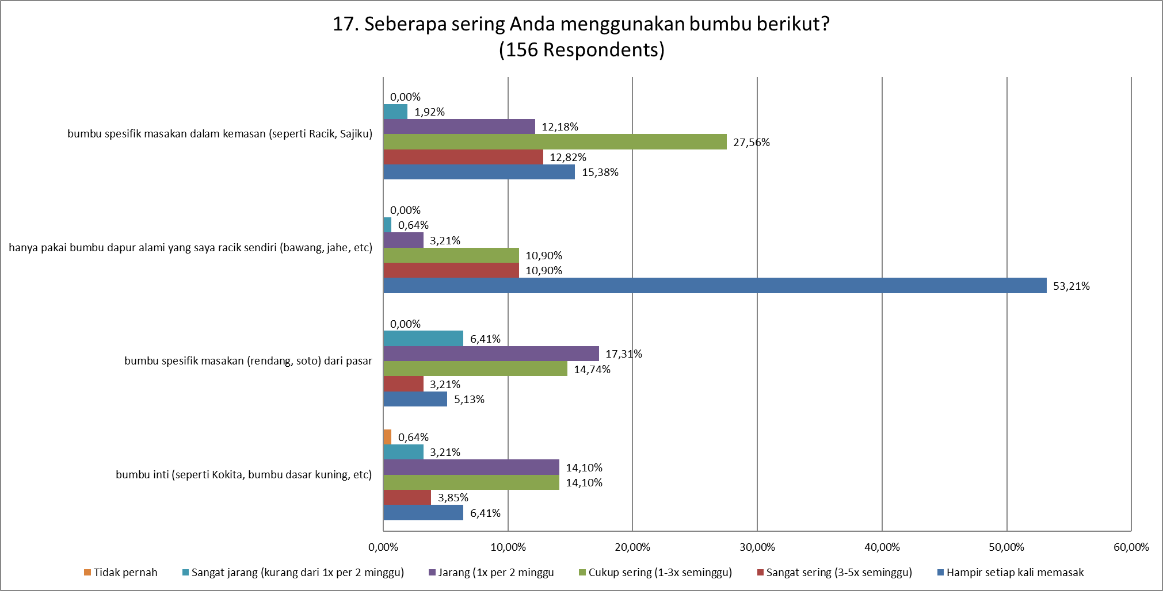
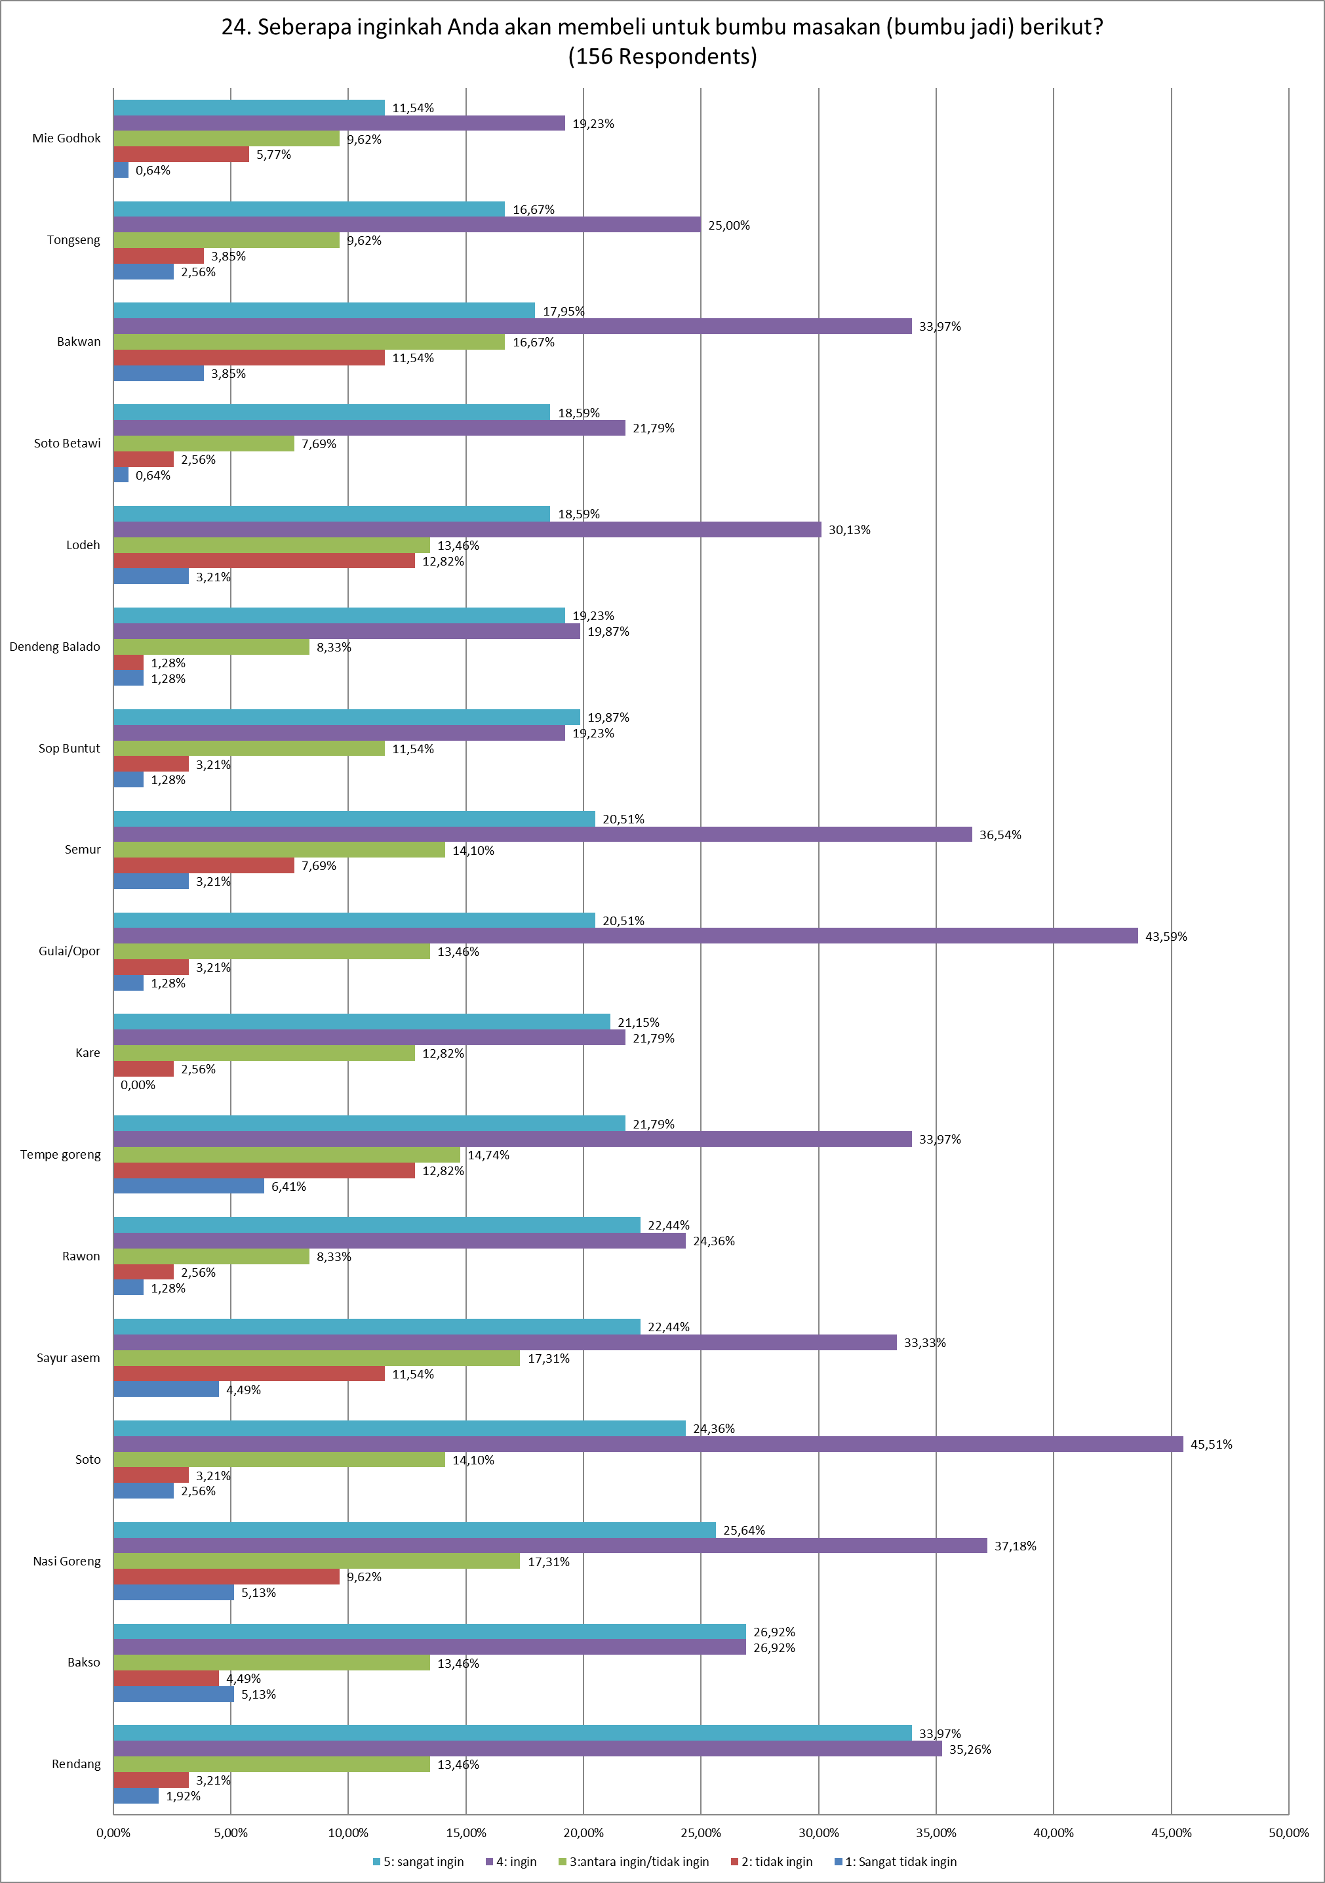
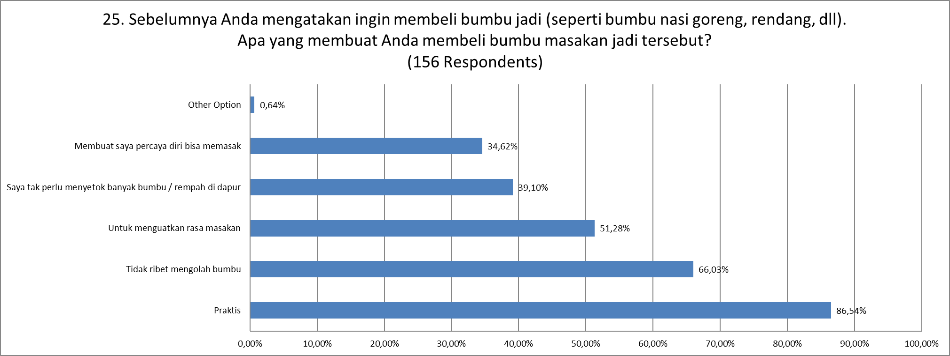
JAKPAT Survey Report: Bumbu Masak, Kecap, Sambal, Saus Juni 2020

